Flowchart
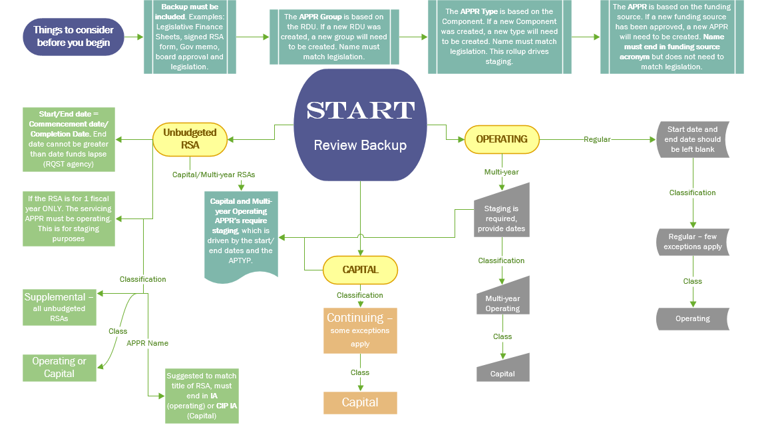

Form
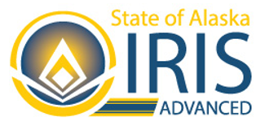
 |  | REQUEST TO ESTABLISH A NEW APPROPRIATION UNIT, APPROPRIATION TYPE, AND/OR APPROPRIATION GROUP
 |  | State of Alaska
 |  | Department of Administration |  | Select Agency | DOA | Agency Contact: | Donald Duck
 |  | Division of Finance |  |  |  | Date Requested: | 2023-05-08
 |  | Please see example file at https://doa.alaska.gov/dof/forms/resource/APPR-ADD-CHG-Example.xlsx for further guidance on how to complete this worksheet.
New or Existing REQUIRED | Group REQUIRED | APGRP Name (RDU) REQUIRED IF NEW | APGRP Short Name REQUIRED IF NEW | New or Existing REQUIRED | TYPE REQUIRED | APTYP Name (Component) REQUIRED IF NEW | APTYP Short Name REQUIRED IF NEW | Start Date | End Date | OMB Fund Code REQUIRED | Funding Acronym | Classification REQUIRED | Class REQUIRED | Category REQUIRED | Appropriation Unit | Appropriation Unit (APPR) Name REQUIRED | APPR Short Name REQUIRED | Description OPTIONAL | Extended Description OPTIONAL
New | ATES | Example Appropration Group | Example GRP | New | ATES | Example Appropriation Type | Example TYP | 07/01/2022 | 06/30/2025 | 1061 | CIP IA | Continuing (capital) | Capital | GGOV - General Government | ATES21061 | Example RSA CIP IA | Example Only | THIS IS CORRECT
New | AINC | Example of Incorrect Appropration Setup | Wrong | New | AINC | Example of Incorrect Appropration Setup | Wrong | 07/01/2022 | 10/30/2025 | 1004 | GF | Special | Operating | LJUS - Law & Justice | AINC81004 | Incorrect Classification/Class Combination GF | Example Only | This IS WRONG | Notice how the Classificaiton and Class are highlighted red. This would be sent back to the agency.

Resources
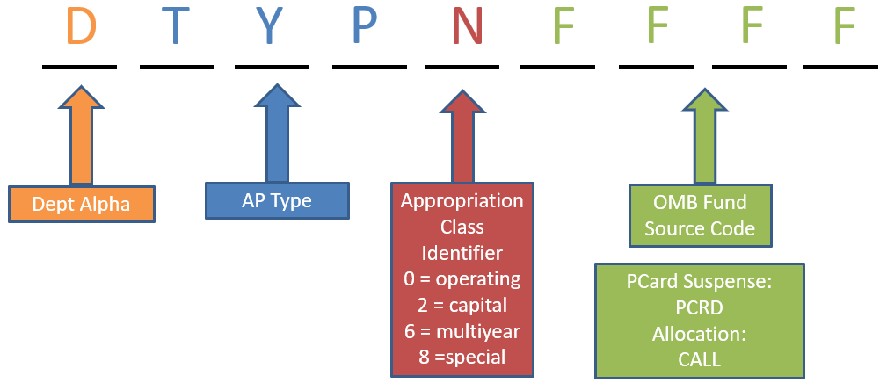
RSAs:
RSA Best Practices
Blank Reimbursable Services Agreement (RSA) Form

Appropriation Unit Name:
Budget to Accounting Revenue Matrix

Other Useful Links:
http://legfin.akleg.gov/ | Legislative Finance
https://omb.alaska.gov/ | Office of Management and Budget (OMB)

