Flowchart
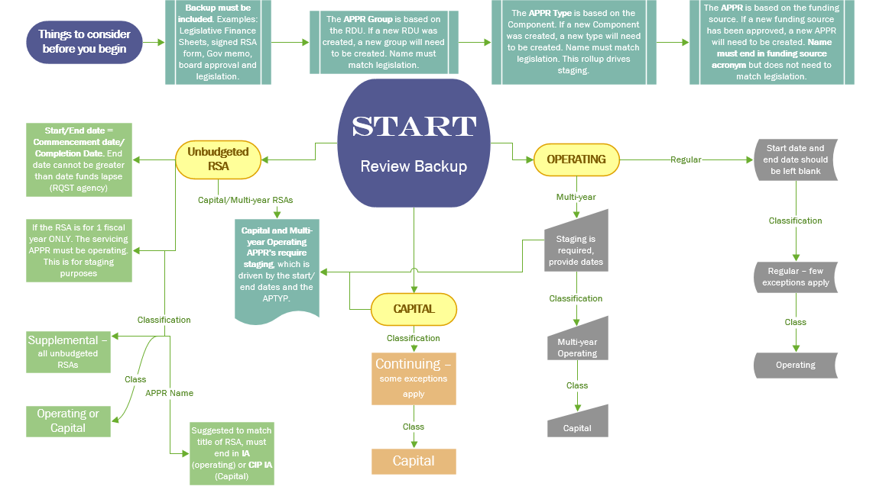

Form
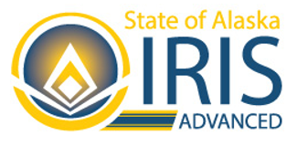
 |  | REQUEST TO ESTABLISH A NEW APPROPRIATION UNIT, APPROPRIATION TYPE, AND/OR APPROPRIATION GROUP
 |  | State of Alaska
 |  | Department of Administration |  | Select Agency |  | Agency Contact:
 |  | Division of Finance |  |  |  | Date Requested:
 |  | Please see example file at https://doa.alaska.gov/dof/forms/resource/APPR-ADD-CHG-Example.xlsx for further guidance on how to complete this worksheet.
New or Existing REQUIRED | Group REQUIRED | APGRP Name (RDU) REQUIRED IF NEW | APGRP Short Name REQUIRED IF NEW | New or Existing REQUIRED | TYPE REQUIRED | APTYP Name (Component) REQUIRED IF NEW | APTYP Short Name REQUIRED IF NEW | Start Date | End Date | OMB Fund Code REQUIRED | Funding Acronym | Classification REQUIRED | Class REQUIRED | Category REQUIRED | Appropriation Unit | Appropriation Unit (APPR) Name REQUIRED | APPR Short Name REQUIRED | Description OPTIONAL | Extended Description OPTIONAL

Resources
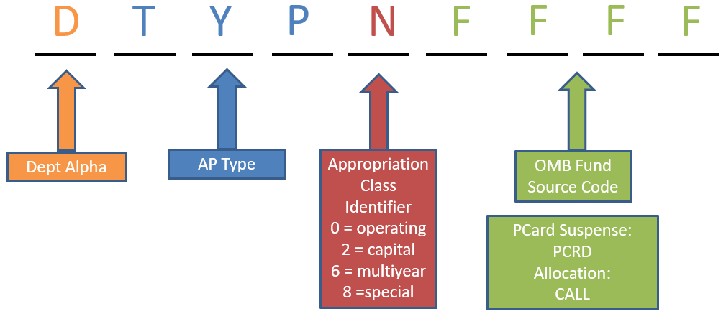
RSAs:
RSA Best Practices
Blank Reimbursable Services Agreement (RSA) Form

Appropriation Unit Name:
Budget to Accounting Revenue Matrix

Other Useful Links:
http://legfin.akleg.gov/ | Legislative Finance
https://omb.alaska.gov/ | Office of Management and Budget (OMB)

