Flowchart
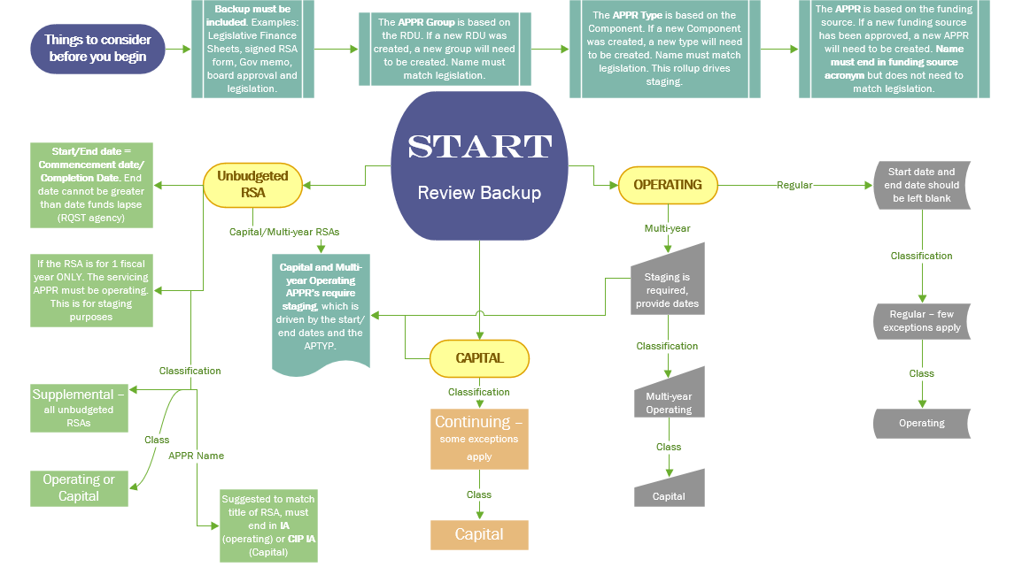

Form

 |  | REQUEST TO ESTABLISH A NEW SUSPENSE APPROPRIATION UNIT
 |  | State of Alaska
 |  | Department of Administration | Select Agency |  | Agency Contact:
 |  | Division of Finance |  |  | Date Requested:

Group REQUIRED | TYPE REQUIRED | Type of Suspense REQUIRED | Classification REQUIRED | Class REQUIRED | Category REQUIRED | Appropriation Unit | Appropriation Unit (APPR) Name REQUIRED | APPR Short Name REQUIRED | Description OPTIONAL | Extended Description OPTIONAL

Resources
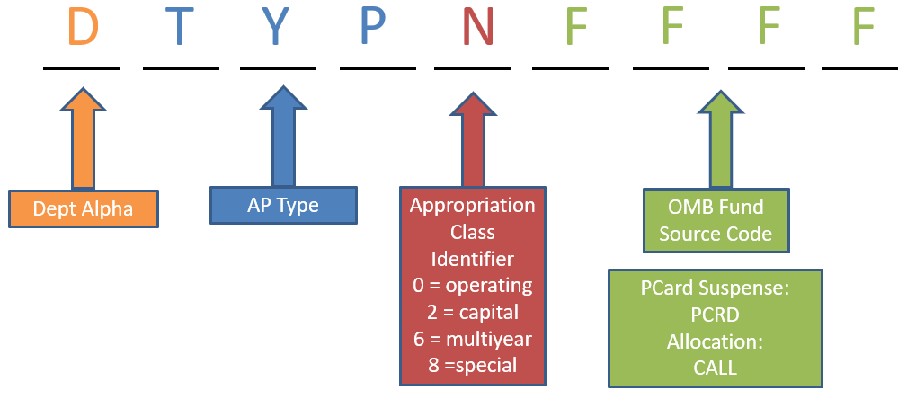
RSAs:
RSA Best Practices
Blank Reimbursable Services Agreement (RSA) Form

Appropriation Unit Name:
Budget to Accounting Revenue Matrix

Other Useful Links:
http://legfin.akleg.gov/ | Legislative Finance
https://omb.alaska.gov/ | Office of Management and Budget (OMB)

